⚠️READ ME FIRST⚠️
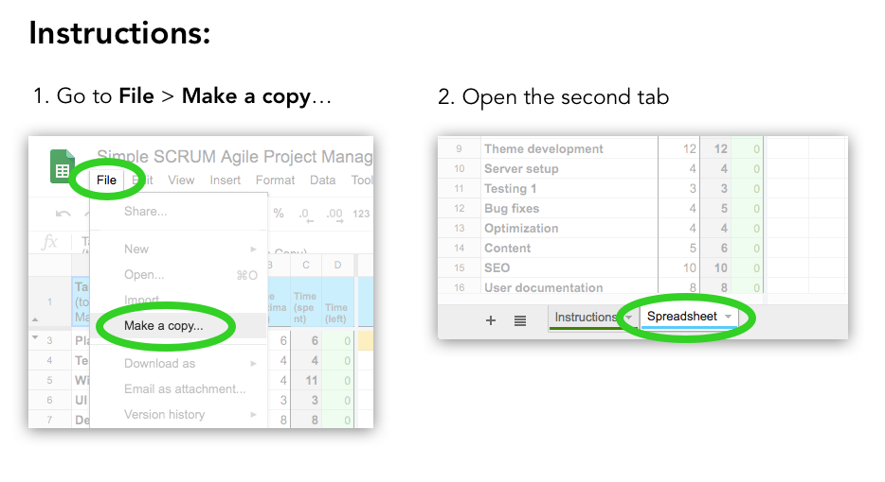
Instructions, feedback, requests and support at:
xaviesteve.com/go/agilespreadsheet

Spreadsheet
Task (to Edit this file go to File > Make a Copy) | Time (estimado) | Time (gastado) | Time (menos) | 1 | 2 | 3 | 4 | 5 | 6 | 7 | 8 | 9 | 10 | 11 | 12 | 13 | 14 | 15 | 16

Planeacion | 6 | 6 | 0 | 4 | 1 | 1
Equipo GIT | 4 | 4 | 0 |  | 3 | 1
UI | 3 | 3 | 0 |  |  |  | 3
Diseño | 8 | 6 | 2 |  |  |  |  | 4 | 2
HTML/CSS | 6 | 10 | 0 |  |  |  |  |  |  | 6 | 4
Desarrollo del tema | 12 | 16 | 0 |  |  |  |  |  |  |  | 4 | 4 | 4 | 4
GTI | 4 | 4 | 0 |  |  |  |  |  |  |  |  |  | 2 | 2
Pruebas Iniciales | 3 | 3 | 0 |  |  |  |  |  |  |  |  |  |  | 2 | 1
Solicion de Fallas | 4 | 5 | 0 |  |  |  |  |  |  |  |  |  |  |  | 4 | 1
Optimizacion | 4 | 4 | 0 |  |  |  |  |  |  |  |  |  |  |  |  | 4
Contenido | 5 | 6 | 0 |  |  |  |  |  |  |  |  |  |  |  |  |  | 3 | 3
Entrega | 2 | 2 | 0 |  |  |  |  |  |  |  |  |  |  |  |  |  |  |  | 2
Pruebas Postinstalacion | 2 | 2 | 0 |  |  |  |  |  |  |  |  |  |  |  |  |  |  |  | 2
 |  | 0 | 0
 |  | 0 | 0
TOTAL | 63 | 71 | 2 | 4 | 4 | 2 | 3 | 4 | 2 | 6 | 8 | 4 | 6 | 8 | 5 | 5 | 3 | 3 | 4
Daily burnout | -1 |  |  | 4 | 4 | 4 | 4 | 4 | 4 | 4 | 4 | 4 | 4 | 4 | 4 | 4 | 4 | 4 | 4
Total time left (from estimate) |  | Estimate | 63 | 59 | 55 | 51 | 47 | 43 | 39 | 35 | 31 | 27 | 23 | 19 | 15 | 11 | 7 | 3 | -1
Total time left (from spent) |  | Burnout | 71 | 67 | 63 | 61 | 58 | 54 | 52 | 46 | 38 | 34 | 28 | 20 | 15 | 10 | 7 | 4 | 0
Instructions, feedback, requests and support at
https://xaviesteve.com/go/agilespreadsheet
TO EDIT IT, GO TO FILE > MAKE A COPY

